Industry Analysis
Industry Analysis - Competitors of Merck | Merck in the Pharmaceutical Industry

Bristol, The New One in Town
Bristol is the smallest company compared to Pfizer, Johnson & Johnson, and Merck. But, don't let its market cap fool you! Bristol has been performing good and shows growth potential.
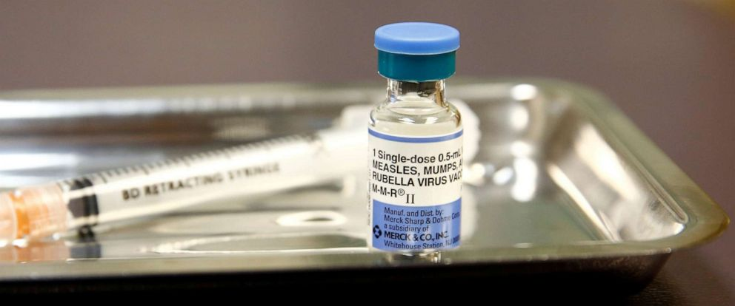
Opportunities for Merck
Merck can continue to expand its presence by acquisition such as Brazilian company, Vallee. Expanding internationally such as latin america would strengthen their product portfolio.

Competition in the Pharmaceutical Industry
There are various threats in the pharmaceutical industry. One of the biggest threats is competitors and worldwide research-based pharmaceutical companies. As well as smaller research companies, generic drug manufacturers and animal health care campanies.
Technology is on the advancements in the industry and creates competition with patent approvals and new product development.
With an increase in compeition for patents, there can be a negative affect on sales of existing products and can result in impairment charges. Impairment charges within the industry consists of marketing a product before the patent expires. Impairment charges could result in the payment of royalties.
There is now a large competitive pressure in the industry as it continues to grow.
These threats can affect Merck and its sales. As the industry changes and new competitors, generic or not, introduce products to the market, Merck's position in the industry can change.
Bristol's strategy consists of combining the resources, scale and capability of a pharmaceutical company with the speed and focus on innovation of the biotech industry. This poses a threat to Merck and compeitors as Bristol focuses on the future of the pharmaceutical industry.
Bristol focuses on discovering, developing, and delivering transformational medicines for patients facing serious diseases.
Bristol hopes to establish partnerships, collaborations and in-licensing or acquiring investigational compounds as an essential component of successfully delivering transformational medinces to patients.
Merck's Strengths
Merck has a worldwide presence with products being sold in over 150 countires. 27.9% of the revenues come from other countires and is beneficial for Merck since it is able to serve a wide range of customers.
One of the recent beneficial events for Merck is the recent measle outbreak in the U.S. To Merck's beneift, they are the sole provider of the MMR vaccine and sales have risen 10% since news of the outbreak.
Merck has increased its research and development programs. They spent $10.2 billion for R&D in 2017. Due to their investment in R&D products are in the phases to be approved by the FDA.
Merck has a great track record when it comes to getting FDA approval and proves in their favor considering they know how to get products into the market.
Merck is big on company culture and has training & learning programs for employees. Their investment in training and learning programs has resulted in a highly skilled workforce with motivation to achieve more.
Merck has an online channel which can prove beneficial by adding a new pipeline for sales. By investing in the online channel, Merck can increase their relationship with consumers by tailoring to their needs. Using big data analytics and new software/programs will increase employee knowledge as well.
Overall, Merck has a good presence in the pharmaceutical industry. The threats of the industry previously mentioned can be minized if Merck invests in its strengths and opportunities. As well as keeps an eye on their weaknesses and ways to improve.


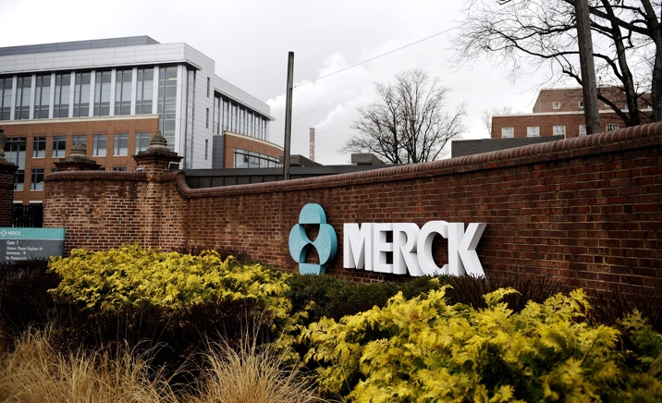

Bristol to drive growth of prioritized brands, execute product launches, invest in diverse and innovative pipelines, focus on prioritized markets, invest in biologics manufacturing capabilites, and maintain a culture of continuous improvement.
Merck's Weakness
Merck has to be cautious of litigations and impairment charges. As well as not rely on their big products for all of their revenue. The loss of patent protection could prove bad for Merck if it continues to focus on big product sales.

 |  | s

Filings - Conference Calls
SEC FORM 10-Q
- Acquisition, Research Collaborations, and License Agreements
- Merck continues its efforts for acquisitions and external alliances such as research collaborations and license agreements.
- This includes royalty agreements contingent on future events and success of product development.
- Merck examines candidates for potential out-licensing and value adding opportunities.
- Merck also acquired Antelliq Corporation which is a leader in digital animal identification, traceability, and monitoring solutions.
- The services provided by Antelliq would benefit pet owners, farmers and veterinarians.
- Restructuring
- Merck approved its new global restructuring program, 2019 Restructuring Program, as an initiative to optimize Merck's manufacturing, supply network and reduce its real estate footprint.
- Long-Term Debt
- March 2019, Merck issued $5 billion in senior unsecured notes.
- The funds generated from the notes will be used to pay off commercial paper borrowings and other upcoming maturities.
- Contingencies
- Merck is involved in claimes related to product liability, intellectual property, commercial litigation, as well as governmental and environmental issues.
- Product Litigation
- Fosamax; claims made against the drug with 3,900 cases stating femur fractures and bone injuries experienced from the use of Fosamax.
- Operating Results
- $10.8 billion in worldwide sales in Q1 of 2019. An 8% increase from Q1 of 2018. Increase in sales was due to the growth of Keytruda and alliance revenue from Lynparza and Lenvima.
The sales growth also include the increase of vaccine sales, including the measles vacine; MMR.
International sales for 2019 Q1 were 58% of total sales. China made up most of the sales generating $725 million.
-Costs
- 2019 Q1 costs of sales was $3.1 billion which was a 4% decline compared to Q1 of 2018.
- Gross margins were 71.8% in Q1 of 2019 and 68.3% in Q1 of 2018.

CONFERENCE CALL
- Kenneth Frazier, CEO, mentions the double digit YOY growth in sales in Q1 of 2019 compared to Q1 of 2018 was due to portfolio and operational strengths results.
- Operational strengths included oncology, vaccines, select hospital and specialty products.
- International sales are increasing with great momentum all due to China and represents more opportunity for Merck.
- New products launched in China resulted in a 67% YOY growth.
- Keytruda sales were $2.3 billion in Q1 of 2019. A 60% increase from 2018 Q1.
- Executive Vice President, Robert Davis, mentions an icnrease in R&D will factor in fast rate increase of sales.
- Overall, Merck perfomred great in Q1 with oustanding sales numbers done internationally. They are now seeing the opportunity international affairs has and how R&D can contribute to an increase in
sales.

Financials
Financial Statement Interpretation:
- Balance Sheet
- Assets have decreased since 2014, but overall cash and equivalents as well as liabilites have stayed constant.
- Equity has decreased substantially since 2014 from $48.6 billion to $26.7 billion in 2018.
- Income Statement
- Earnings before tax decreased -47.8% from 2014 to 2018.
- Merck is living into R&D and has increased since 2014.
- Costs have decreaed since 2014 about $3 million.
- Oustanding shares has stayed constant while EPS has decreased, but went from $0.88 in 2017 to $2.34 in 2018.
- Statement of Cash Flows
- Cash Flow from Operations
- Cash flows have increased from 2017 to 2018 by 69.4%.
- Overall cash flows look promosing and are to gradually increase according to management from international efforts.
- Cash Flows from Investing
- 168.4% increase from 2017 to 2018. Cash flows were $38,000 in 2017 and $102,000 in 2018.
- Cash Flows from Financing
- Negative numbers present under financing activites. Gradually increasing from the years 2015 to 2018.
- Representing Merck is paying off teh principal from their debt. Which is always a good sign when a company pays off debt.
Standardized Annual Balance Sheet
Report Date | 12/31/2014 | 12/31/2015 | 12/31/2016 | 12/31/2017 | 12/31/2018
Scale | Thousands | Thousands | Thousands | Thousands | Thousands
Cash & Equivalents | $7,441,000.00 | $8,524,000.00 | $6,515,000.00 | $6,092,000.00 | $7,965,000.00
Short Term Investments | $8,278,000.00 | $4,903,000.00 | $7,826,000.00 | $2,406,000.00 | $899,000.00
Cash & Equivs & ST Investments | $15,719,000.00 | $13,427,000.00 | $14,341,000.00 | $8,498,000.00 | $8,864,000.00
Receivables (ST) | $6,626,000.00 | $6,484,000.00 | $7,018,000.00 | $6,873,000.00 | $7,071,000.00
Inventories | $5,571,000.00 | $4,700,000.00 | $4,866,000.00 | $5,096,000.00 | $5,440,000.00
Other Current Assets | $5,257,000.00 | $5,153,000.00 | $4,389,000.00 | $4,299,000.00 | $4,500,000.00
Total Current Assets | $33,173,000.00 | $29,764,000.00 | $30,614,000.00 | $24,766,000.00 | $25,875,000.00
Gross Property Plant & Equip | $31,140,000.00 | $28,430,000.00 | $27,775,000.00 | $29,041,000.00 | $29,615,000.00
Accumulated Depreciation | $18,004,000.00 | $15,923,000.00 | $15,749,000.00 | $16,602,000.00 | $16,324,000.00
Net Property Plant & Equip | $13,136,000.00 | $12,507,000.00 | $12,026,000.00 | $12,439,000.00 | $13,291,000.00
Long Term Investments | $13,515,000.00 | $13,039,000.00 | $11,416,000.00 | $12,125,000.00 | $6,233,000.00
Intangible Assets | $33,378,000.00 | $40,325,000.00 | $35,467,000.00 | $32,467,000.00 | $29,684,000.00
Other Assets | $5,133,000.00 | $6,144,000.00 | $5,854,000.00 | $6,075,000.00 | $7,554,000.00
Total Assets | $98,335,000.00 | $101,779,000.00 | $95,377,000.00 | $87,872,000.00 | $82,637,000.00
Accounts Payable & Accrued Exps | $3,933,000.00 | $3,842,000.00 | $4,123,000.00 | $4,422,000.00 | $4,776,000.00
Accounts Payable | $2,625,000.00 | $2,533,000.00 | $2,807,000.00 | $3,102,000.00 | $3,318,000.00
Accrued Expenses | $1,308,000.00 | $1,309,000.00 | $1,316,000.00 | $1,320,000.00 | $1,458,000.00
Current Debt | $2,704,000.00 | $2,585,000.00 | $568,000.00 | $3,057,000.00 | $5,308,000.00
Other Current Liabilities | $12,129,000.00 | $12,776,000.00 | $12,513,000.00 | $11,135,000.00 | $12,122,000.00
Total Current Liabilities | $18,766,000.00 | $19,203,000.00 | $17,204,000.00 | $18,614,000.00 | $22,206,000.00
LT Debt & Leases | $18,699,000.00 | $23,929,000.00 | $24,274,000.00 | $21,353,000.00 | $19,806,000.00
Deferred LT Liabilities | $4,266,000.00 | $6,535,000.00 | $5,077,000.00 | $2,219,000.00 | $1,702,000.00
Minority Interests | $144,000.00 | $91,000.00 | $220,000.00 | $233,000.00 | $181,000.00
Other Liabilities | $7,813,000.00 | $7,345,000.00 | $8,514,000.00 | $11,117,000.00 | $12,041,000.00
Total Liabilities | $49,688,000.00 | $57,103,000.00 | $55,289,000.00 | $53,536,000.00 | $55,936,000.00
Common Share Capital | $1,788,000.00 | $1,788,000.00 | $1,788,000.00 | $1,788,000.00 | $1,788,000.00
Additional Paid-In Capital | $40,423,000.00 | $40,222,000.00 | $39,939,000.00 | $39,902,000.00 | $38,808,000.00
Retained Earnings | $46,021,000.00 | $45,348,000.00 | $44,133,000.00 | $41,350,000.00 | $42,579,000.00
Accum Other Comprehensive Income | $(4,323,000.00) | $(4,148,000.00) | $(5,226,000.00) | $(4,910,000.00) | $(5,545,000.00)
Treasury Stock | $35,262,000.00 | $38,534,000.00 | $40,546,000.00 | $43,794,000.00 | $50,929,000.00
For Curr Trans (BS) | $(1,978,000.00) | $(2,186,000.00) | $(2,355,000.00) | $(1,954,000.00) | $(2,077,000.00)
Other Equity | $1,978,000.00 | $2,186,000.00 | $2,355,000.00 | $1,954,000.00 | $2,077,000.00
Total Equity | $48,647,000.00 | $44,676,000.00 | $40,088,000.00 | $34,336,000.00 | $26,701,000.00
Total Liabilities & Equity | $98,335,000.00 | $101,779,000.00 | $95,377,000.00 | $87,872,000.00 | $82,637,000.00

Standardized Annual Income Statement
Report Date | 12/31/2014 | 12/31/2015 | 12/31/2016 | 12/31/2017 | 12/31/2018
Scale | Thousands | Thousands | Thousands | Thousands | Thousands
Sales Revenue | $42,237,000.00 | $39,498,000.00 | $39,807,000.00 | $40,122,000.00 | $42,294,000.00
Total Revenue | $42,237,000.00 | $39,498,000.00 | $39,807,000.00 | $40,122,000.00 | $42,294,000.00
Direct Costs | $16,768,000.00 | $14,934,000.00 | $13,891,000.00 | $12,775,000.00 | $13,509,000.00
Gross Profit | $25,469,000.00 | $24,564,000.00 | $25,916,000.00 | $27,347,000.00 | $28,785,000.00
Selling General & Admin | $11,606,000.00 | $10,313,000.00 | $9,762,000.00 | $9,830,000.00 | $10,102,000.00
Research & Development | $7,180,000.00 | $6,704,000.00 | $10,124,000.00 | $10,208,000.00 | $9,752,000.00
Restruct Remediation & Impair | $1,013,000.00 | $619,000.00 | $651,000.00 | $776,000.00 | $632,000.00
Other Operating Expense | $- | $- | $- | $- | $-
Total Indirect Operating Costs | $19,799,000.00 | $17,636,000.00 | $20,537,000.00 | $20,814,000.00 | $20,486,000.00
Operating Income | $5,670,000.00 | $6,928,000.00 | $5,379,000.00 | $6,533,000.00 | $8,299,000.00
Interest Income | $(466,000.00) | $(383,000.00) | $(365,000.00) | $(369,000.00) | $(429,000.00)
Gains on Sale of Assets | - | - | - | - | $324,000.00
Foreign Exchange Gains | $(180,000.00) | $(1,277,000.00) | $(174,000.00) | $11,000.00 | $(145,000.00)
Other Non-Operating Income | $12,002,000.00 | $(72,000.00) | $(267,000.00) | $304,000.00 | $652,000.00
Total Non-Operating Income | $11,356,000.00 | $(1,732,000.00) | $(806,000.00) | $(54,000.00) | $402,000.00
Earnings Before Tax | $17,026,000.00 | $5,196,000.00 | $4,573,000.00 | $6,479,000.00 | $8,701,000.00
Taxation | $5,349,000.00 | $942,000.00 | $718,000.00 | $4,103,000.00 | $2,508,000.00
Minority Interests | $14,000.00 | $17,000.00 | $21,000.00 | $24,000.00 | $(27,000.00)
Equity Earnings | $257,000.00 | $205,000.00 | $86,000.00 | $42,000.00 | -
Extraordinary Items | $- | $- | $- | $- | $-
Accounting Changes | $- | $- | $- | $- | $-
Net Income | $11,920,000.00 | $4,442,000.00 | $3,920,000.00 | $2,394,000.00 | $6,220,000.00
Preference Dividends & Similar | $- | $- | $- | $- | $-
Net Income to Common | $11,920,000.00 | $4,442,000.00 | $3,920,000.00 | $2,394,000.00 | $6,220,000.00
Average Shares Basic | $2,894,000.00 | $2,816,000.00 | $2,766,000.00 | $2,730,000.00 | $2,664,000.00
EPS Net Basic | $4.12 | $1.58 | $1.42 | $0.88 | $2.34
EPS Continuing Basic | $4.12 | $1.58 | $1.42 | $0.88 | $2.34
Average Shares Diluted | $2,928,000.00 | $2,841,000.00 | $2,787,000.00 | $2,748,000.00 | $2,679,000.00
EPS Net Diluted | $4.07 | $1.56 | $1.41 | $0.87 | $2.32
EPS Continuing Diluted | $4.07 | $1.56 | $1.41 | $0.87 | $2.32
Shares Outstanding | $2,838,140.20 | $2,781,128.07 | $2,748,731.32 | $2,696,611.61 | $2,592,559.54

Standardized Annual Cash Flows
Report Date | 12/31/2014 | 12/31/2015 | 12/31/2016 | 12/31/2017 | 12/31/2018
Scale | Thousands | Thousands | Thousands | Thousands | Thousands
Net Income | $11,934,000.00 | $4,459,000.00 | $3,941,000.00 | $2,418,000.00 | $6,193,000.00
Adjustments from Inc to Cash | $(5,898,000.00) | $8,230,000.00 | $9,036,000.00 | $9,050,000.00 | $6,282,000.00
Change in Working Capital | $1,922,000.00 | $(263,000.00) | $(2,838,000.00) | $(3,930,000.00) | $(879,000.00)
Other Operating Cash Flows | $(98,000.00) | $(5,000.00) | $237,000.00 | $(1,091,000.00) | $(674,000.00)
Cash Flow from Operations | $7,860,000.00 | $12,421,000.00 | $10,376,000.00 | $6,447,000.00 | $10,922,000.00
Purchase of Pty Plant & Equip | $(1,317,000.00) | $(1,283,000.00) | $(1,614,000.00) | $(1,888,000.00) | $(2,615,000.00)
Purchase of Investments | $(24,944,000.00) | $(16,681,000.00) | $(15,651,000.00) | $(10,739,000.00) | $(7,994,000.00)
Disposal of Investments | $15,114,000.00 | $20,413,000.00 | $14,353,000.00 | $15,664,000.00 | $15,252,000.00
Change in Business Activities | $11,239,000.00 | $(7,428,000.00) | $(780,000.00) | $(396,000.00) | $(431,000.00)
Other Investing Cash Flows | $(466,000.00) | $221,000.00 | $482,000.00 | $38,000.00 | $102,000.00
Cash Flow from Investing | $(374,000.00) | $(4,758,000.00) | $(3,210,000.00) | $2,679,000.00 | $4,314,000.00
Change in ST Debt | $(460,000.00) | $(1,540,000.00) | - | $(26,000.00) | $5,124,000.00
Change in LT Debt | $(3,471,000.00) | $5,032,000.00 | $(1,307,000.00) | $(1,103,000.00) | $(4,287,000.00)
Change in Equity | $(6,143,000.00) | $(3,701,000.00) | $(2,495,000.00) | $(3,515,000.00) | $(8,500,000.00)
Payment of Dividends | $(5,247,000.00) | $(5,117,000.00) | $(5,124,000.00) | $(5,167,000.00) | $(5,172,000.00)
Other Financing Cash Flows | $208,000.00 | $56,000.00 | $(118,000.00) | $(195,000.00) | $(325,000.00)
Cash Flow from Financing | $(15,113,000.00) | $(5,270,000.00) | $(9,044,000.00) | $(10,006,000.00) | $(13,160,000.00)
Effect of Exchange Rate | $(553,000.00) | $(1,310,000.00) | $(131,000.00) | $457,000.00 | $(205,000.00)
Change in Cash | $(8,180,000.00) | $1,083,000.00 | $(2,009,000.00) | $(423,000.00) | $1,871,000.00
Opening Cash | $15,621,000.00 | $7,441,000.00 | $8,524,000.00 | $6,515,000.00 | $6,096,000.00
Closing Cash | $7,441,000.00 | $8,524,000.00 | $6,515,000.00 | $6,092,000.00 | $7,967,000.00
Depn & Amortn (CF) | $6,691,000.00 | $6,375,000.00 | $5,441,000.00 | $4,637,000.00 | $4,519,000.00
Net Purch of Pty Plant & Equip | $(1,317,000.00) | $(1,283,000.00) | $(1,614,000.00) | $(1,888,000.00) | $(2,615,000.00)

Relative Analysis - Mkt Value
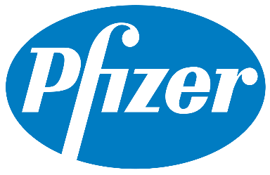

As of 05/14/19*

 | Mkt Cap | EV | P/E | PEG Ratio | Price to Sales | EV/Revenue | EV/EBITDA | ROA | ROE | Profit Margin | Beta
Merck | 200.19B | 219.61B | 14.64 | 1.66 | 4.63 | 5.1 | 14.57 | 8.04% | 27.01% | 19.50% | 0.31
Pfizer | 226.21B | 261.78B | 13.54 | 2.54 | 4.19 | 4.86 | 11.7 | 6.27% | 17.73% | 21.31% | 0.54
J & J | 365.36B | 379.21B | 15.06 | 2.5 | 4.45 | 4.64 | 13.53 | 8.60% | 24.02% | 17.99% | 0.68
Bristol | 75.8B | 74.29B | 10.51 | 2.2 | 3.22 | 3.19 | 10.24 | 12.28% | 36.62% | 22.09% | 0.85

Market Value:
- Measures a companies value and whether it may be overvalued or undervalued. The market value is very important to investors as it weighs into their decision for securities. With the market value an investor can determine if they have uncovered an undervalued security with potential returns.
- To calculate the market value of Merck in comparison to its competitors the price-to-earnings, price-to-sales, and return on equity is observed along with the Market Cap.
- Based on the ratios mentioned Merck can be seen as undervalued. Thier P/E is neither low or high demonstrating their potential for growth, along with their PEG ratio being the lowest
and closest to one. They have the highest price-to-sales ratio meaining investors would pay for the each dollar in sales. They also have the lowest debt compared to Pfizer and Johnson
& Johnson since those three are the biggest when compared to Bristol.
- Low debt, higher chance of potential growth, reasonable market cap, and highest amount investors would pay per dollar in sales helps demonstrate Merck's market value.

Relative Analysis:
- From the start Bristol is the smallest company and is actuallt performing great for its size. Bristol is one of Merck's compeitiors and has the lowest amount of debt and a smaller PEG
ratio than Pfizer and Johnson & Johnson. Their P/E ratio can be seen as an opportunity since is is the smallest with growth potential. Bristol also has the highest return on assets and
profit margins. Indicating efficient use of assets and profits from net sales and net income. Although, they do have the highest risk with a Beta of 0.85. High risk means high reward for
Bristol, which can be seen from the ratios.
- Merck is the second smallest pharmaceutical company from the four above witht the lowest amount of risk with a Beta of 0.31.
- Merck is reporting strong ratios appearing as an average for the four companies.
- Low risk, good profit margins, second lowest amount of debt, efficient use of assets, high grwoth potential, and reasonable market cap.

Valuation
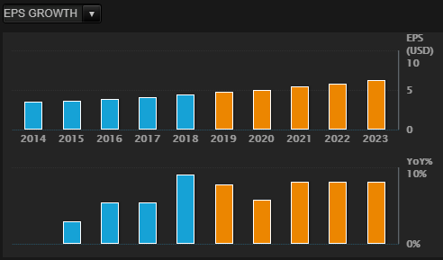
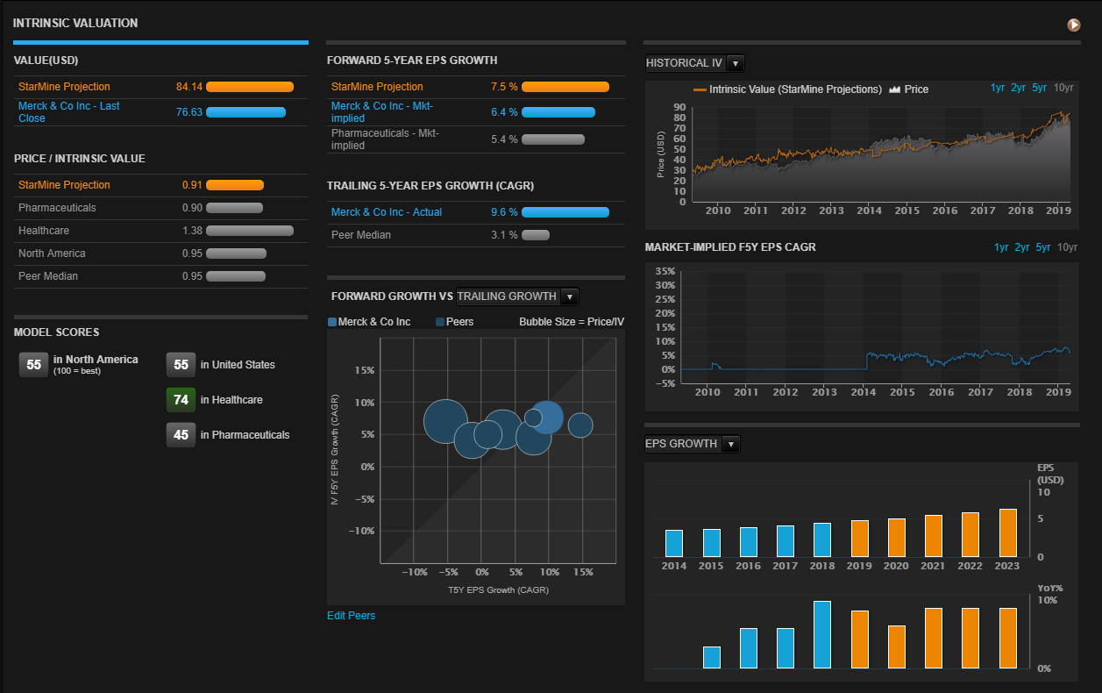
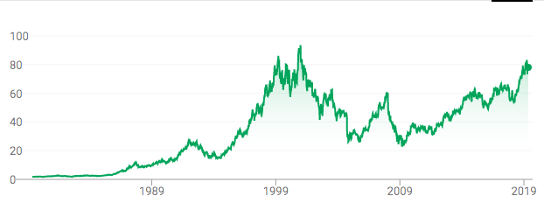
Stock Analysis
- Merck stock has increased substantially since 1979 when it was trading at $1.81. It is currently trading at $77.42.
- The forecast for Merck stock is predicted to be in the low $81 or median of $87.50 or high of $95.
- Internatinoal affairs and incentives may be the reason why the stock price is forecasted to increase. As well as R&D efforts.
- Would recommend to buy Merck stock for the long run as growth appears to be foreseable.

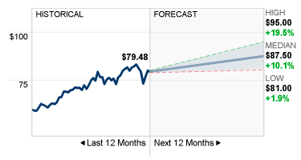

Intrinsic Valuation
- EPS Growth is forecasted to increase gradually the next four years.
- YOY growth seems to remain constant.
- Intrinsic value of Merck appears to increase from 2010 to 2019. Therefore, Merck's value is increasing and forecasted to continue growing.

Conclusion
CONCLUSION
- Buy; Long-Term
- Cash Flows
- Cash flow from operations has increased from 2017, $6,447,000,000 to 2018, $10,922,000,000.
- Which we can forecast it will be higher for 2019 considering the first quarter sales in 2019 are up 8% compared to 2018 Q1 sales.
- Cash flows from investing has increased as well. Demonstrating a return in their investment activities. Almost doubling from 2017 to 2018 from $2,679,000,000 to $4,314,000,000 repectively.
- Cash flows from financing has increased as well, but these numbers are negatives. Which is desirable because it means the company is paying off its debt.
- Strong momentum from Keytruda as seen from international sales. Predictions of Keytruda sales to top $12 billion by 2024.
- The industry is growing and Merck is involved through interntional affairs and R&D investment.
- Compared to competing companies, Merck is perfomring really good considering it holds the least amount of risk. Ration analysis demonstrates their low debt and good profit margins. As well as efficient use of assets and high growth potential.
- Stock price if forecasted to be above the $80 price by next year, 2020.
- Manaagement is convinced of a great incresase in sales as menitoned in the 10-Q and conference call.
- Focuses on their employees aside from the financials by providing training & learning programs to increase productivity and employee engagement.

